Keterangan
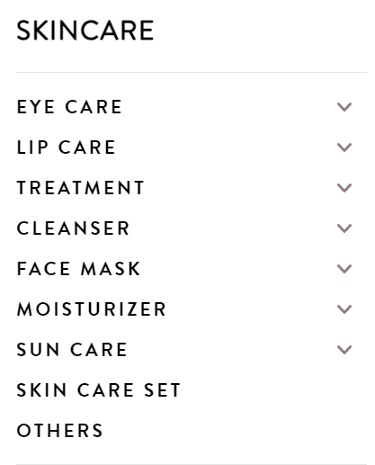
data dailyCare(berdasarkan skintype)
- first cleanser
- facial wash
- moisturizer
- sun care
data skinTreatment (berdasarkan problem kulit)
- toner/essence/serum
- face mask: ini
- eye care: cuma buat wrinkle ~aja
- treatment acne: cuma buat acne type aja
Label (Product Type)
Cleanser
Moisturizer
Eye Care
Treatment
Face Mask
Sun Care
Skin Care Set
Others

